Tote shopping Bag
Eco Oasis Limited
Eco-Friendly & Bio-degradable Tote Bag Collection

SL | Product Image | Item | Material | Size and Color | Remarks
1 | 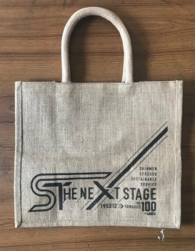 | Jute Tote Bag | 100% Jute Natural Finer Fabric with Cotton Drawcord as Handle | Height 31.5 cm Width 36 cm Gusset 19 cm | Size and Color Can be customised accoridng to customer demand Also can add Printed Logo/design
2 | 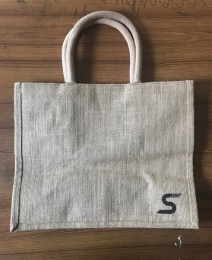 | Jute Tote Bag | 100% Jute Natural Finer Fabric with Cotton Drawcord as Handle | Height 31.5 cm Width 36 cm Gusset 19 cm | Size and Color Can be customised accoridng to customer demand Also can add Printed Logo/design
3 | 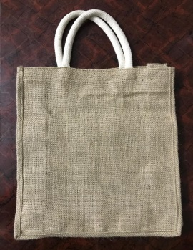 | Jute Tote Bag | 100% Jute Natural Fabric with Cotton Drawcord as Handle | Height 35.5 cm Width 30.5 cm Gusset 12.5 cm | Size and Color Can be customised accoridng to customer demand Also can add Printed Logo/design
4 |  | Jute Tote Bag | 100% Jute Natural and Bleeced finer Fabric with Cotton Drawcord as Handle | Height 33.5 cm Width 39.5 cm Gusset 15 cm | Size and Color Can be customised accoridng to customer demand Also can add Printed Logo/design | 10.16
5 |  | Jute Tote Bag | 100% Jute Natural Fabric with Cotton Drawcord as Handle | Height 35.5 cm Width 35.5 cm Gusset 10 cm | Size and Color Can be customised accoridng to customer demand Also can add Printed Logo/design
6 | 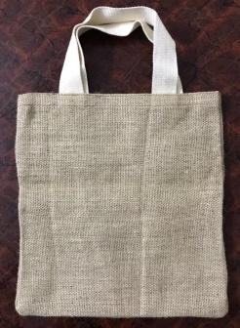 | Jute Tote Bag | 100% Jute Natural Fabric with Cotton Twill Tape as Handle | Height 45.5 cm Width 30.5 cm | Size and Color Can be customised accoridng to customer demand Also can add Printed Logo/design
7 |  | Jute Wine Bag | 100% Jute Natural Finer Fabric with Handle | Height 31.5 cm Width 11.5 cm Gusset 11.5 cm | Size and Color Can be customised accoridng to customer demand Also can add Printed Logo/design
8 |  | Jute Wine Bag | 100% Jute Natural Finer Fabric with Handle | Height 31.5 cm Width 23.5 cm Gusset 11.5 cm | Size and Color Can be customised accoridng to customer demand Also can add Printed Logo/design
9 | 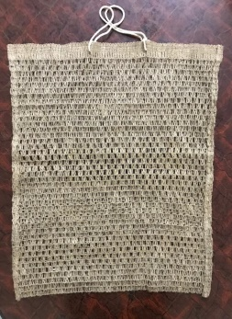 | Jute Net Bag | Jute | Height 45.5 cm Width 30.5 cm | Size Can be customised accoridng to customer demand
10 |  | Cotton Tote Bag | Cotton Canvas Whit | Height 36 cm Width 33.5 cm Gusset 10.5 cm Handle 65 cm | Size Can be customised accoridng to customer demand and Can addprinted Logo/Design
11 |  | Cotton Tote Bag | Tafetta | Height 50.5 cm Width 25.5 cm | Size Can be customised accoridng to customer demand and Can addprinted Logo/Design
12 |  | Cotton blended Jute Tote Bag | Cotton mixed with Jute | Height 45.5 cm Width 25.5 cm | Size Can be customised accoridng to customer demand and Can addprinted Logo/Design

